Details
Girls Boyshorts & Bras (All Items Are Hung on Hangers & Have Retail Tags)

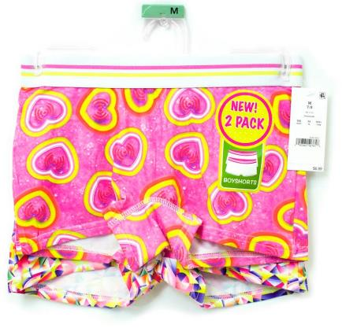 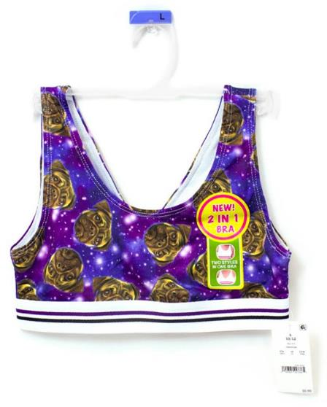
Style # | UPC Code | Description | Photo | Size | Qty. | Case Pack | MSRP
YR60ZQGEN03TA00 | 490360407616 | Girls 2-Pack Boyshorts - Dreamer • Elastic waistband • Body: 92% polyester, 8% spandex • Lining: 60% cotton, 40% polyester • Machine washable • Made in China | 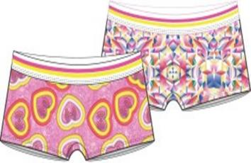 | M (7/8) | 4,584 | 12 | Pre-Ticketed @ $6.99
YR60ZQGEN01TA00 | 490360407623 |  |  | L (10/12) | 3,341 | 12
YR60ZQGEN02TA00 | 490360407630 |  |  | XL (14/16) | 1,548 | 12
YR5WUEGEN03TA00 | 490360407913 | Girls 2-Pack Boyshorts - Tye Dye Hombre • Elastic waistband • Body: 92% polyester, 8% spandex • Lining: 60% cotton, 40% polyester • Machine washable • Made in China | 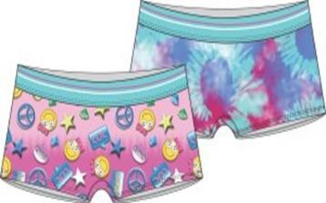 | M (7/8) | 5,420 | 12 | Pre-Ticketed @ $6.99
YR5WUEGEN01TA00 | 490360407920 |  |  | L (10/12) | 4,368 | 12
YR5WUEGEN02TA00 | 490360407937 |  |  | XL (14/16) | 2,472 | 12
YR611NGEN03TA00 | 490360408149 | Girls 2-Pack Boyshorts - Pug and Panda • Elastic waistband • Body: 92% polyester, 8% spandex • Lining: 60% cotton, 40% polyester • Machine washable • Made in China | 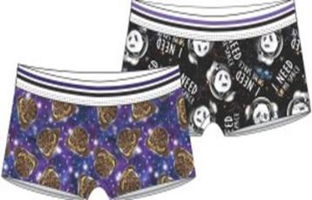 | M (7/8) | 10,092 | 12 | Pre-Ticketed @ $6.99
YR611NGEN01TA00 | 490360408156 |  |  | L (10/12) | 5,200 | 12
YR611NGEN02TA00 | 490360408163 |  |  | XL (14/16) | 2,900 | 12
YN64ZNGEN03TA00 | 490361022573 | Girls 2-in-1 Bra - Dreamer • Reversible bra- two styles in one • Elastic band under bust • Body: 92% polyester, 8% spandex • Lining: 94% polyester, 6% spandex • Machine washable • Made in China | 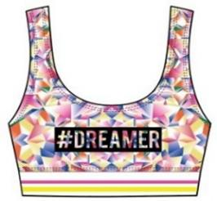 | M (7/8) | 2,748 | 12 | Pre-Ticketed @ $6.99
YN64ZNGEN01TA00 | 490361022580 |  |  | L (10/12) | 1,472 | 12
YN64ZNGEN02TA00 | 490361022597 |  |  | XL (14/16) | 436 | 12
YN64ZPGEN03TA00 | 490361022603 | Girls 2-in-1 Bra - Heart Wifi • Reversible bra- two styles in one • Elastic band under bust • Body: 92% polyester, 8% spandex • Lining: 94% polyester, 6% spandex • Machine washable • Made in China |  | M (7/8) | 2,580 | 12 | Pre-Ticketed @ $6.99
YN64ZPGEN01TA00 | 490361022610 |  |  | L (10/12) | 1,856 | 12
YN64ZPGEN02TA00 | 490361022627 |  |  | XL (14/16) | 280 | 12
YN64ZQGEN03TA00 | 490361023297 | Girls 2-in-1 Bra - Emoji • Reversible bra- two styles in one • Elastic band under bust • Body: 92% polyester, 8% spandex • Lining: 94% polyester, 6% spandex • Machine washable • Made in China | 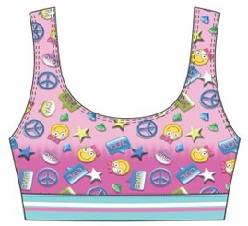 | M (7/8) | 3,504 | 12 | Pre-Ticketed @ $6.99
YN64ZQGEN01TA00 | 490361023303 |  |  | L (10/12) | 2,228 | 12
YN64ZQGEN02TA00 | 490361023310 |  |  | XL (14/16) | 688 | 12
YN64ZLGEN03TA00 | 490361023327 | Girls 2-in-1 Bra - Tie Dye • Reversible bra- two styles in one • Elastic band under bust • Body: 92% polyester, 8% spandex • Lining: 94% polyester, 6% spandex • Machine washable • Made in China | 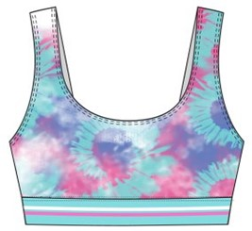 | M (7/8) | 1,248 | 12 | Pre-Ticketed @ $6.99
YN64ZVGEN03TA00 | 490361023358 | Girls 2-in-1 Bra - Pug • Reversible bra- two styles in one • Elastic band under bust • Body: 92% polyester, 8% spandex • Lining: 94% polyester, 6% spandex • Machine washable • Made in China | 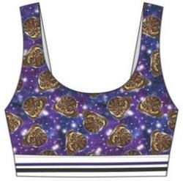 | M (7/8) | 3,855 | 12 | Pre-Ticketed @ $6.99
YN64ZVGEN01TA00 | 490361023365 |  |  | L (10/12) | 2,838 | 12
YN64ZVGEN02TA00 | 490361023372 |  |  | XL (14/16) | 81 | 12
YN64ZUGEN03TA00 | 490361023389 | Girls 2-in-1 Bra - I Need Space • Reversible bra- two styles in one • Elastic band under bust • Body: 92% polyester, 8% spandex • Lining: 94% polyester, 6% spandex • Machine washable • Made in China | 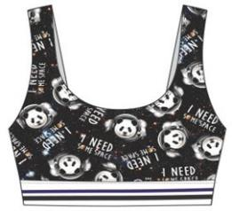 | M (7/8) | 4,239 | 12 | Pre-Ticketed @ $6.99
YN64ZUGEN01TA00 | 490361023396 |  |  | L (10/12) | 2,910 | 12
YN64ZUGEN02TA00 | 490361023402 |  |  | XL (14/16) | 1,473 | 12

 |  |  |  |  | 72,361

